Sheet1
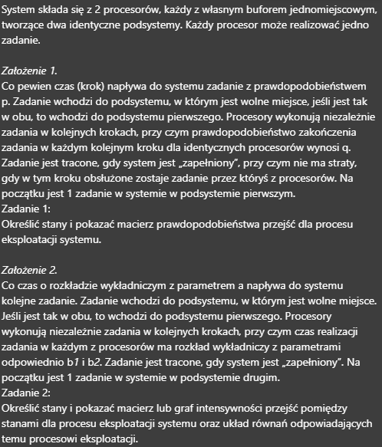
 | Zadanie 1
 |  |  | b | --- | p1 - q
 |  | p |  |  |  |  |  |  | p | 0.52590737301
 |  |  | b | --- | p2 - q |  |  |  | q | 0.12871994589

 | jak się wykona zadanie, to nie ma straty
 | p1 ma priorytet nad p2
 | na start w p1 jest zadanie

 | Stany: |  |  |  |  |  | Macierz prawdopodobieństwa przejść
 | b |  | p |  | X = { |  | <b,p> | <0,0> | <0,1> | <0,2> | <1,1> | <1,2> | <2,2> | control
 | 0 |  | 0 |  | <0,0>, |  | <0,0> | 0.47409262699 | 0.52590737301 | 0 | 0 | 0 | 0 | GOOD
 | 0 |  | 1 |  | <0,1>, |  | <0,1> | 0.061025177292 | 0.48076221829 | 0.45821260441 | 0 | 0 | 0 | GOOD
 | 0 |  | 2 |  | <0,2>, |  | <0,2> | 0.0078551575188 | 0.1150537065 | 0.47785963321 | 0 | 0.39923150277 | 0 | GOOD
 | 1 |  | 1 |  | <1,1>, |  | <1,1> | 0 | 0.061025177292 | 0.067694768596 | 0.4130674497 | 0.45821260441 | 0 | GOOD
 | 1 |  | 2 |  | <1,2>, |  | <1,2> | 0 | 0.0078551575188 | 0.061883686724 | 0.053170019773 | 0.47785963321 | 0.39923150277 | GOOD
 | 2 |  | 2 |  | <2,2>, |  | <2,2> | 0 | 0 | 0.0078551575188 | 0 | 0.1150537065 | 0.87709113598 | GOOD
 |  |  |  |  | }

 | Zadanie 2
 |  |  | b | --- | p1 - bi
 |  | a |  |  |  |  | a | 100
 |  |  | b | --- | p2 - bii |  | bi (b1) | 1
 |  |  |  |  |  |  | bj (b2) | 2
 | p1 ma priorytet nad p2
 | na start w p1 jest zadanie
 |  |  |  |  |  |  |  | 1 | 2 | 3 | 4 | 5 | 6 | 7 | 8 | 9
 | Stany: |  |  |  |  |  | Macierz intensywności przejść
L.p. | p1 | b1 | p2 | b2 | X = { |  | <p1,b1,p2,b2> | <0,0,0,0> | <1,0,0,0> | <1,1,0,0> | <0,0,1,0> | <1,0,1,0> | <1,1,1,0> | <0,0,1,1> | <1,0,1,1> | <1,1,1,1> | control
1 | 0 | 0 | 0 | 0 | <0,0,0,0>, | 1 | <0,0,0,0> | -100 | 100 | 0 | 0 | 0 | 0 | 0 | 0 | 0 | GOOD
2 | 1 | 0 | 0 | 0 | <1,0,0,0>, | 2 | <1,0,0,0> | 1 | -101 | 0 | 0 | 100 | 0 | 0 | 0 | 0 | GOOD
3 | 1 | 1 | 0 | 0 | <1,1,0,0>, | 3 | <1,1,0,0> | 0 | 1 | -101 | 0 | 0 | 100 | 0 | 0 | 0 | GOOD
4 | 0 | 0 | 1 | 0 | <0,0,1,0>, | 4 | <0,0,1,0> | 2 | 0 | 0 | -102 | 100 | 0 | 0 | 0 | 0 | GOOD
5 | 1 | 0 | 1 | 0 | <1,0,1,0>, | 5 | <1,0,1,0> | 0 | 2 | 0 | 1 | -103 | 100 | 0 | 0 | 0 | GOOD
6 | 1 | 1 | 1 | 0 | <1,1,1,0>, | 6 | <1,1,1,0> | 0 | 0 | 2 | 0 | 1 | -103 | 0 | 0 | 100 | GOOD
7 | 0 | 0 | 1 | 1 | <0,0,1,1>, | 7 | <0,0,1,1> | 0 | 0 | 0 | 2 | 0 | 0 | -102 | 100 | 0 | GOOD
8 | 1 | 0 | 1 | 1 | <1,0,1,1>, | 8 | <1,0,1,1> | 0 | 0 | 0 | 0 | 2 | 0 | 1 | -103 | 100 | GOOD
9 | 1 | 1 | 1 | 1 | <1,1,1,1>, | 9 | <1,1,1,1> | 0 | 0 | 0 | 0 | 0 | 2 | 0 | 1 | -3 | GOOD
 |  |  |  |  | }
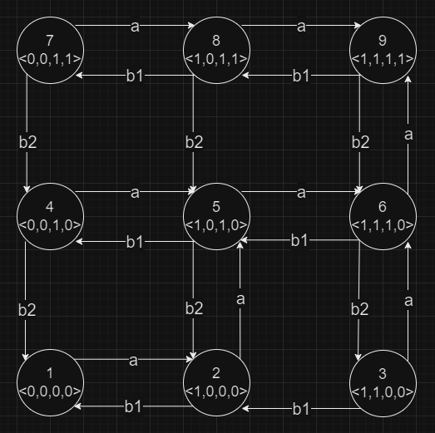
 |  |  |  |  |  |  |  | -100p<0,0,0,0>(t) | +100p<1,0,0,0>(t) |  |  |  |  |  |  |  |  | p<0,0,0,0>'(t)= | -100p<0,0,0,0>(t)+100p<1,0,0,0>(t)
 |  |  |  |  |  |  |  | +1p<0,0,0,0>(t) | -101p<1,0,0,0>(t) |  |  | +100p<1,0,1,0>(t) |  |  |  |  |  | p<1,0,0,0>'(t)= | +1p<0,0,0,0>(t)-101p<1,0,0,0>(t)+100p<1,0,1,0>(t)
 |  |  |  |  |  |  |  |  | +1p<1,0,0,0>(t) | -101p<1,1,0,0>(t) |  |  | +100p<1,1,1,0>(t) |  |  |  |  | p<1,1,0,0>'(t)= | +1p<1,0,0,0>(t)-101p<1,1,0,0>(t)+100p<1,1,1,0>(t)
 |  |  |  |  |  |  |  | +2p<0,0,0,0>(t) |  |  | -102p<0,0,1,0>(t) | +100p<1,0,1,0>(t) |  |  |  |  |  | p<0,0,1,0>'(t)= | +2p<0,0,0,0>(t)-102p<0,0,1,0>(t)+100p<1,0,1,0>(t)
 |  |  |  |  |  |  |  |  | +2p<1,0,0,0>(t) |  | +1p<0,0,1,0>(t) | -103p<1,0,1,0>(t) | +100p<1,1,1,0>(t) |  |  |  |  | p<1,0,1,0>'(t)= | +2p<1,0,0,0>(t)+1p<0,0,1,0>(t)-103p<1,0,1,0>(t)+100p<1,1,1,0>(t)
 |  |  |  |  |  |  |  |  |  | +2p<1,1,0,0>(t) |  | +1p<1,0,1,0>(t) | -103p<1,1,1,0>(t) |  |  | +100p<1,1,1,1>(t) |  | p<1,1,1,0>'(t)= | +2p<1,1,0,0>(t)+1p<1,0,1,0>(t)-103p<1,1,1,0>(t)+100p<1,1,1,1>(t)
 |  |  |  |  |  |  |  |  |  |  | +2p<0,0,1,0>(t) |  |  | -102p<0,0,1,1>(t) | +100p<1,0,1,1>(t) |  |  | p<0,0,1,1>'(t)= | +2p<0,0,1,0>(t)-102p<0,0,1,1>(t)+100p<1,0,1,1>(t)
 |  |  |  |  |  |  |  |  |  |  |  | +2p<1,0,1,0>(t) |  | +1p<0,0,1,1>(t) | -103p<1,0,1,1>(t) | +100p<1,1,1,1>(t) |  | p<1,0,1,1>'(t)= | +2p<1,0,1,0>(t)+1p<0,0,1,1>(t)-103p<1,0,1,1>(t)+100p<1,1,1,1>(t)
 |  |  |  |  |  |  |  |  |  |  |  |  | +2p<1,1,1,0>(t) |  | +1p<1,0,1,1>(t) | -3p<1,1,1,1>(t) |  | p<1,1,1,1>'(t)= | +2p<1,1,1,0>(t)+1p<1,0,1,1>(t)-3p<1,1,1,1>(t)

 |  | Stany:
 | L.p. | b | p1 | p2 | X = { |  | <b,p1,p2> | <0,0,0> | <0,1,0> | <0,0,1> | <0,1,1> | <1,0,1> | <1,1,0> | <1,1,1> | <2,1,1> | control
 | 1 | 0 | 0 | 0 | <0,0,0>, |  | <0,0,0> | -100 | 100 | 0 | 0 | 0 | 0 | 0 | 0 | GOOD
 | 2 | 0 | 1 | 0 | <0,1,0>, |  | <0,1,0> | 1 | -101 | 0 | 100 | 0 | 0 | 0 | 0 | GOOD
 | 3 | 0 | 0 | 1 | <0,0,1>, |  | <0,0,1> | 2 | 0 | -102 | 100 | 0 | 0 | 0 | 0 | GOOD
 | 4 | 0 | 1 | 1 | <0,1,1>, |  | <0,1,1> | 0 | 2 | 1 | -103 | 0 | 0 | 100 | 0 | GOOD
 | 5 | 1 | 0 | 1 | <1,0,1>, |  | <1,0,1> | 0 | 0 | 2 | 0 | -102 | 0 | 100 | 0 | GOOD
 | 6 | 1 | 1 | 0 | <1,1,0>, |  | <1,1,0> | 0 | 1 | 0 | 0 | 0 | -101 | 100 | 0 | GOOD
 | 7 | 1 | 1 | 1 | <1,1,1>, |  | <1,1,1> | 0 | 0 | 0 | ??? b1/b2 | 1 | 2 | -103 | 100 | GOOD
 | 8 | 2 | 1 | 1 | <2,1,1>, |  | <2,1,1> | 0 | 0 | 0 | 0 | 0 | 0 | ??? b1/b2 | 0 | GOOD
 |  |  |  |  | }

 |  | Stany:
 | L.p. | p1 | p2 |  | X = { |  | <p1,p2> | <0,0> | <1,0> | <2,0> | <0,1> | <1,1> | <2,1> | <0,2> | <1,2> | <2,2> | control
 | 1 | 0 | 0 |  | <0,0>, |  | <0,0> | -100 | 100 | 0 | 0 | 0 | 0 | 0 | 0 | 0 | GOOD
 | 2 | 1 | 0 |  | <1,0>, |  | <1,0> | 1 | -101 | 0 | 0 | 100 | 0 | 0 | 0 | 0 | GOOD
 | 3 | 2 | 0 |  | <2,0>, |  | <2,0> | 0 | 1 | -101 | 0 | 0 | 100 | 0 | 0 | 0 | GOOD
 | 4 | 0 | 1 |  | <0,1>, |  | <0,1> | 2 | 0 | 0 | -102 | 100 | 0 | 0 | 0 | 0 | GOOD
 | 5 | 1 | 1 |  | <1,1>, |  | <1,1> | 0 | 2 | 0 | 1 | -103 | 100 | 0 | 0 | 0 | GOOD
 | 6 | 2 | 1 |  | <2,1>, |  | <2,1> | 0 | 0 | 2 | 0 | 1 | -103 | 0 | 0 | 100 | GOOD
 | 7 | 0 | 2 |  | <0,2>, |  | <0,2> | 0 | 0 | 0 | 2 | 0 | 0 | -102 | 100 | 0 | GOOD
 | 8 | 1 | 2 |  | <1,2>, |  | <1,2> | 0 | 0 | 0 | 0 | 2 | 0 | 1 | -103 | 100 | GOOD
 | 9 | 2 | 2 |  | <2,2>, |  | <2,2> | 0 | 0 | 0 | 0 | 0 | 2 | 0 | 1 | -3 | GOOD
 |  |  |  |  | }
 |  |  |  |  |  |  |  | -100p<0,0>(t) | +100p<1,0>(t) |  |  |  |  |  |  |  |  | p<0,0>'(t)= | -100p<0,0>(t)+100p<1,0>(t)
 |  |  |  |  |  |  |  | +1p<0,0>(t) | -101p<1,0>(t) |  |  | +100p<1,1>(t) |  |  |  |  |  | p<1,0>'(t)= | +1p<0,0>(t)-101p<1,0>(t)+100p<1,1>(t)
 |  |  |  |  |  |  |  |  | +1p<1,0>(t) | -101p<2,0>(t) |  |  | +100p<2,1>(t) |  |  |  |  | p<2,0>'(t)= | +1p<1,0>(t)-101p<2,0>(t)+100p<2,1>(t)
 |  |  |  |  |  |  |  | +2p<0,0>(t) |  |  | -102p<0,1>(t) | +100p<1,1>(t) |  |  |  |  |  | p<0,1>'(t)= | +2p<0,0>(t)-102p<0,1>(t)+100p<1,1>(t)
 |  |  |  |  |  |  |  |  | +2p<1,0>(t) |  | +1p<0,1>(t) | -103p<1,1>(t) | +100p<2,1>(t) |  |  |  |  | p<1,1>'(t)= | +2p<1,0>(t)+1p<0,1>(t)-103p<1,1>(t)+100p<2,1>(t)
 |  |  |  |  |  |  |  |  |  | +2p<2,0>(t) |  | +1p<1,1>(t) | -103p<2,1>(t) |  |  | +100p<2,2>(t) |  | p<2,1>'(t)= | +2p<2,0>(t)+1p<1,1>(t)-103p<2,1>(t)+100p<2,2>(t)
 |  |  |  |  |  |  |  |  |  |  | +2p<0,1>(t) |  |  | -102p<0,2>(t) | +100p<1,2>(t) |  |  | p<0,2>'(t)= | +2p<0,1>(t)-102p<0,2>(t)+100p<1,2>(t)
 |  |  |  |  |  |  |  |  |  |  |  | +2p<1,1>(t) |  | +1p<0,2>(t) | -103p<1,2>(t) | +100p<2,2>(t) |  | p<1,2>'(t)= | +2p<1,1>(t)+1p<0,2>(t)-103p<1,2>(t)+100p<2,2>(t)
 |  |  |  |  |  |  |  |  |  |  |  |  | +2p<2,1>(t) |  | +1p<1,2>(t) | -3p<2,2>(t) |  | p<2,2>'(t)= | +2p<2,1>(t)+1p<1,2>(t)-3p<2,2>(t)

